Beef Proofs
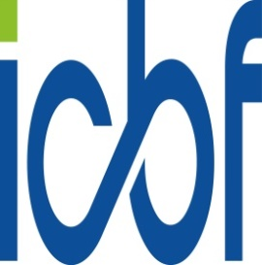
ICBF Beef Indexes Bull Proof File
Date of Evaluation: 23NOV2021. Evaluation Valid Until: 25JAN2022
Proofs are provided for All Beef AI Bulls
©ICBF2020. For more information please call 0238820452 or log onto www.icbf.com
Bull Details |  |  |  |  |  |  |  | Replacement Index
Bull | Breed | Birth Year | Genomic Proof | Name | Owner | Active | International ID | Index | Rel | Stars Within Brd | Percentile Within Brd | Stars Across Brd | Percentile Across Brd
LM7404 | LM | 2019 | Yes | GAGGIN POWER ET | EUROGENE | No | LIMIRLM214866160131 | €167 | 52% | 5 | 99 | 5 | 98
LM4095 | LM | 2012 | Yes | HAMAC | DEPARTMENT OF AGRICULTURE | No | LIMFRAM002915099172 | €163 | 56% | 5 | 98 | 5 | 98
LM7641 | LM | 2020 | Yes | BRACKAN RUBEN | DUNMASC GENETICS | No | LIMIRLM217785420215 | €184 | 44% | 5 | 99 | 5 | 99
LM4471 | LM | 2015 | Yes | TOMSCHOICE LEXICON | WORLDWIDE SIRES | Yes | LIMGBRM00CJL15-0356 | €193 | 56% | 5 | 99 | 5 | 99
LM2014 | LM | 2013 | Yes | EWDENVALE IVOR | DOVEA | Yes | LIMGBRM000WLD13-335 | €184 | 92% | 5 | 99 | 5 | 99
S1298 | LM | 2009 | No | ESCOULOUBRE | DEPARTMENT OF AGRICULTURE | No | LIMFRAM001933435501 | €86 | 45% | 2 | 32 | 3 | 51
LM4111 | LM | 2015 | Yes | MERESIDE LORENZO | EUROGENE | No | LIMGBRM000HCG15-812 | €58 | 51% | 1 | 8 | 2 | 21
LM7599 | LM | 2016 | Yes | MOEBIUS | GENEIRELAND MATERNAL PROGR | No | LIMFRAM001217014722 | €144 | 46% | 5 | 94 | 5 | 95
...

